Proofs_by_vaibhav
TC-001 | Validate and Verify the Alert Box functionality
 | 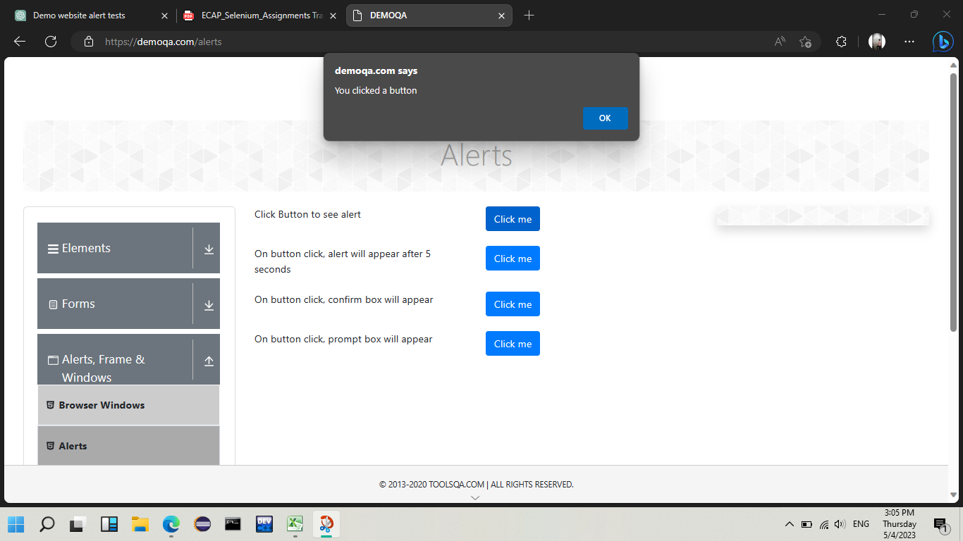
TC-002 | Validate and Verify the Conferm Box functionality
Before pressing ok | 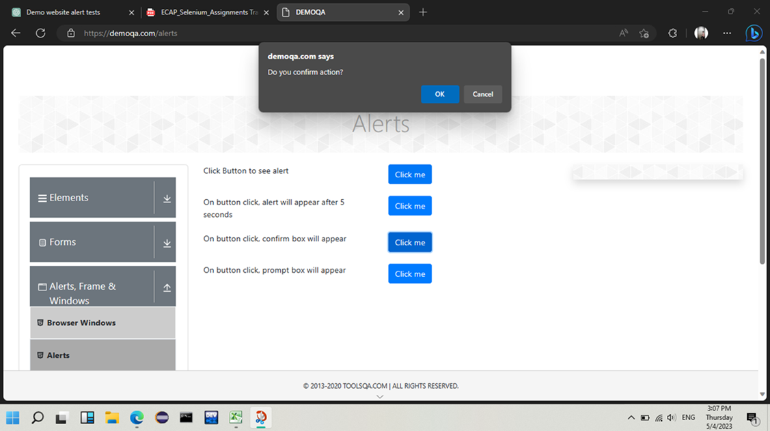
After pressing ok | 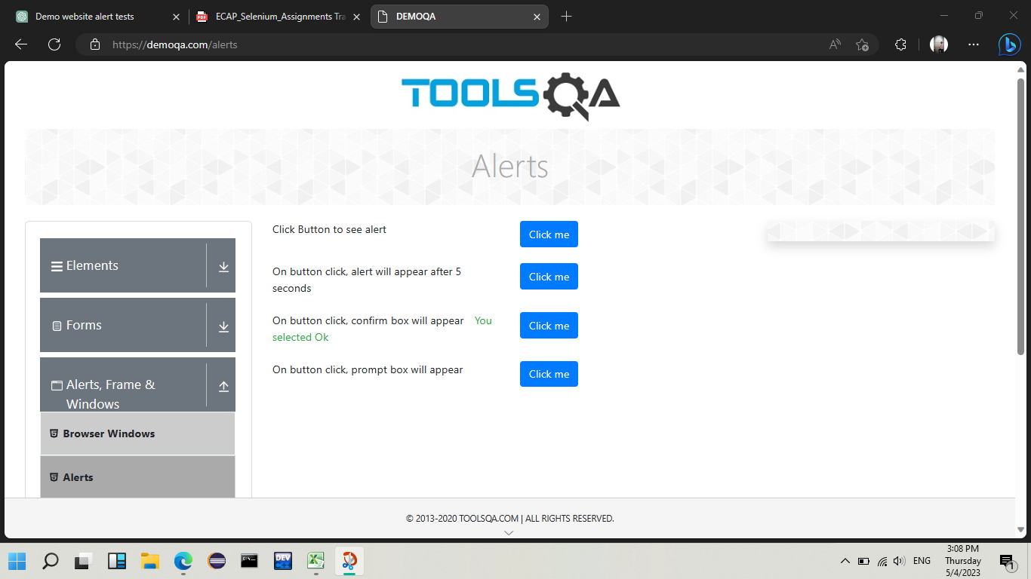
TC-003 | Validate and Verify the prompt Box functionality
before sending values into the prompt alert | 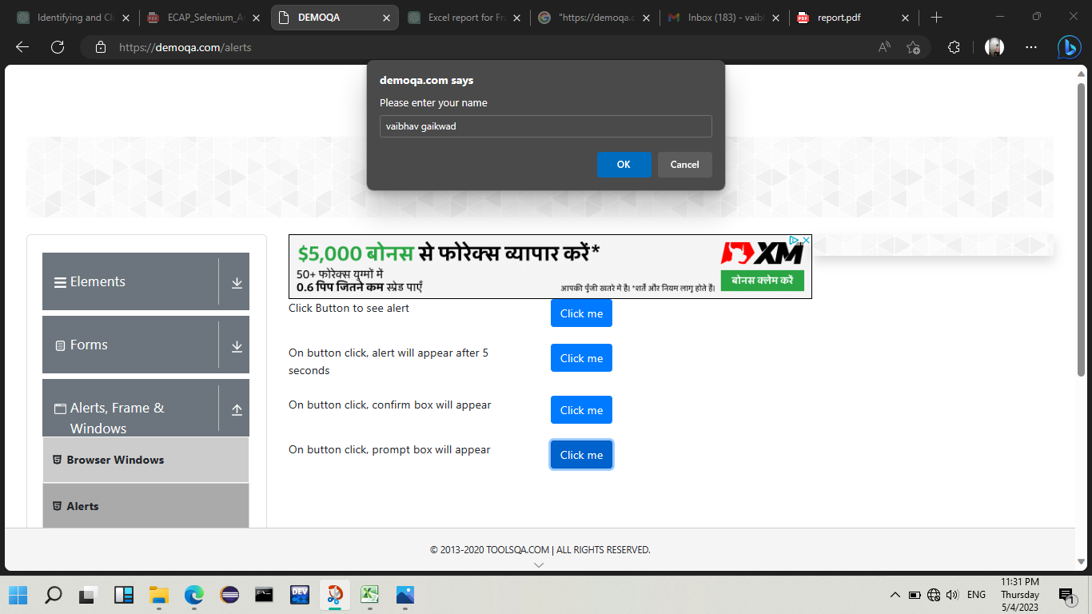
before sending values into the prompt alert | 
TC-004 | Validate and Verify the browser windows functionality for new tab
 | 
TC-005 | Validate and Verify the browser windows functionality for new window
 | 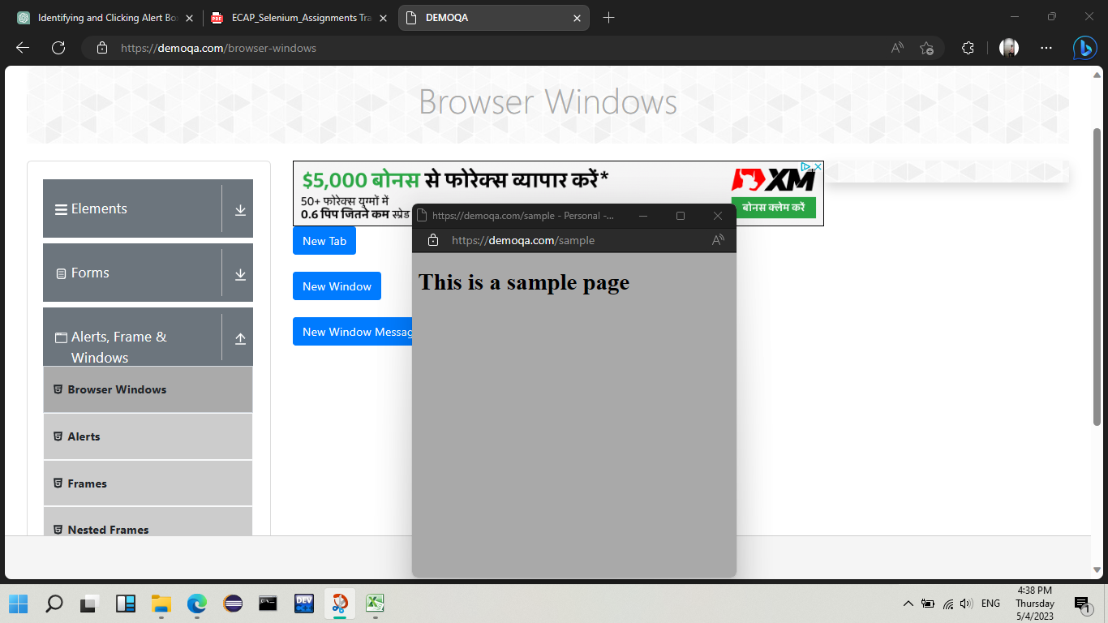
TC-006 | Validate and Verify the browser windows functionality for new window message
 | 